Q1
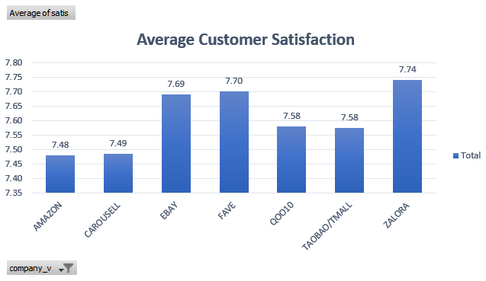
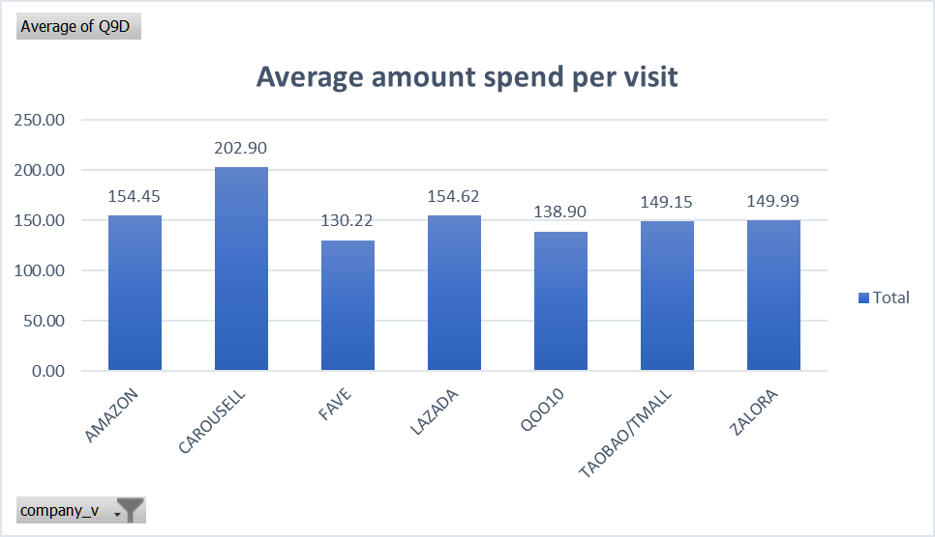
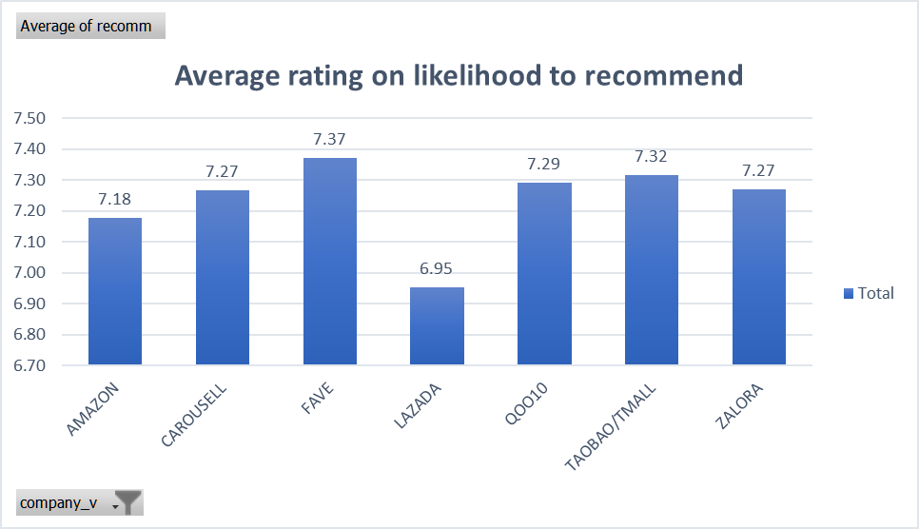
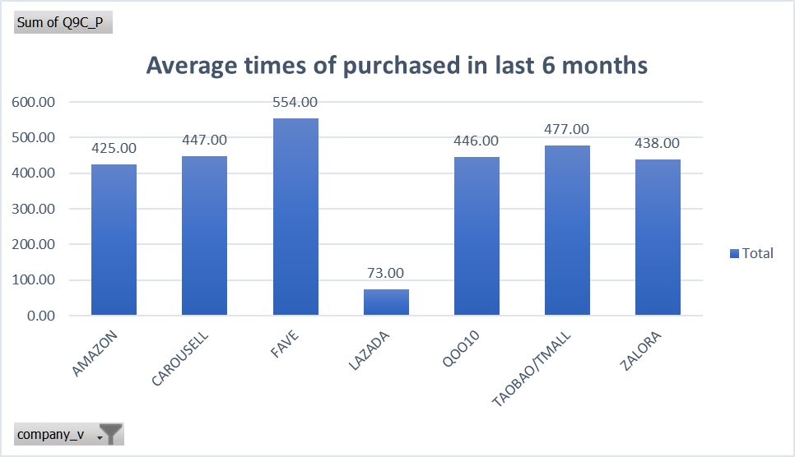
Average Customer Satisfaction
Row Labels | Average of satis
AMAZON | 7.48
CAROUSELL | 7.49
EBAY | 7.69
FAVE | 7.70
QOO10 | 7.58
TAOBAO/TMALL | 7.58
ZALORA | 7.74
Grand Total | 7.61

Q1-Amazon Performance
 | Note Only Companies with samples N=30 and above shown
Attribute | Amazon | Carousell | Ebay | Lazada | Qoo10 | Taobao/Tmall | Zalora | Fave | Weighted Avg across attribute | Amazon's Deviation from Weighted Avg
Security of website | 8.1 |  |  |  |  |  |  |  | 7.83188 | 0.26813
Check-out and payment process | 7.84 |  |  |  |  |  |  |  | 7.69813 | 0.14188
Ease of tracking your order | 7.61047 |  |  |  |  |  |  |  | 7.53864 | 0.07183
Variety of products that interests me | 7.905 |  |  |  |  |  |  |  | 7.85813 | 0.04688
Ease of finding the products you need | 7.785 |  |  |  |  |  |  |  | 7.7425 | 0.0425
Ease of navigating the website or app | 7.655 |  |  |  |  |  |  |  | 7.63188 | 0.02313
Availability of feedback channels | 7.58163 |  |  |  |  |  |  |  | 7.5661 | 0.01554
Sufficiency of Product information | 7.59 |  |  |  |  |  |  |  | 7.59 | 0
Products you received were as described on the website | 7.85 |  |  |  |  |  |  |  | 7.85 | 0
Overall Service Quality | 7.545 |  |  |  |  |  |  |  | 7.54875 | -0.00375
Satisfaction with the product reviews | 7.58621 |  |  |  |  |  |  |  | 7.61784 | -0.03163
Ease of comparing products | 7.645 |  |  |  |  |  |  |  | 7.6825 | -0.0375
Return and exchange policies | 7.36478 |  |  |  |  |  |  |  | 7.40868 | -0.0439
Range of delivery options | 7.5202 |  |  |  |  |  |  |  | 7.59419 | -0.07399
Ease of managing your shopping cart | 7.565 |  |  |  |  |  |  |  | 7.64188 | -0.07687
Overall Product Quality | 7.49 |  |  |  |  |  |  |  | 7.57375 | -0.08375
Variety of products that meet my needs | 7.505 |  |  |  |  |  |  |  | 7.59625 | -0.09125
Customer Satisfaction | 7.48 |  |  |  |  |  |  |  | 7.57563 | -0.09562
Availability of products | 7.585 |  |  |  |  |  |  |  | 7.71125 | -0.12625
Clarity and usefulness of information on your delivery methods and fees | 7.48 |  |  |  |  |  |  |  | 7.6079 | -0.1279
Attractiveness of promotions and discounts offered | 7.62 |  |  |  |  |  |  |  | 7.76063 | -0.14063
Price given quality | 7.41 |  |  |  |  |  |  |  | 7.57313 | -0.16313
Ease of indicating special requests | 7.38286 |  |  |  |  |  |  |  | 7.54916 | -0.1663
Time taken to receive the product | 7.49 |  |  |  |  |  |  |  | 7.73296 | -0.24296
Samples | 200.00

Q2 & Q3
Amazon |  |  |  |  |  |  |  |  | Qoo10
Refer to the Teaching note for the details.
SUMMARY OUTPUT |  |  |  |  |  |  |  |  | SUMMARY OUTPUT

Regression Statistics |  |  |  |  |  |  |  |  | Regression Statistics
Multiple R | 0.891 |  |  |  |  |  |  |  | Multiple R | 0.87255
R Square | 0.794 |  |  |  |  |  |  |  | R Square | 0.76135
Adjusted R Square | 0.786 |  |  |  |  |  |  |  | Adjusted R Square | 0.75199
Standard Error | 0.587 |  |  |  |  |  |  |  | Standard Error | 0.59633
Observations | 147 |  |  |  |  |  |  |  | Observations | 160

ANOVA |  |  |  |  |  |  |  |  | ANOVA
 | df | SS | MS | F | Significance F |  |  |  |  | df | SS | MS | F | Significance F
Regression | 6 | 186.496 | 31.083 | 90.184 | 0.000 |  |  |  | Regression | 6 | 173.568 | 28.928 | 81.349 | 0.000
Residual | 140 | 48.252 | 0.345 |  |  |  |  |  | Residual | 153 | 54.407 | 0.356
Total | 146 | 234.748 |  |  |  |  |  |  | Total | 159 | 227.975

 | Coefficients | Standard Error | t Stat | P-value | Lower 95% | Upper 95% | Lower 95.0% | Upper 95.0% |  | Coefficients | Standard Error | t Stat | P-value | Lower 95% | Upper 95% | Lower 95.0% | Upper 95.0%
Intercept | -0.886 | 0.388 | -2.287 | 0.024 | -1.652 | -0.120 | -1.652 | -0.120 | Intercept | -0.503 | 0.413 | -1.220 | 0.224 | -1.319 | 0.312 | -1.319 | 0.312
pq | 0.324 | 0.053 | 6.159 | 0.000 | 0.220 | 0.428 | 0.220 | 0.428 | pq | 0.395 | 0.047 | 8.432 | 0.000 | 0.302 | 0.487 | 0.302 | 0.487
VN_1009_TP07 | 0.117 | 0.048 | 2.438 | 0.016 | 0.022 | 0.212 | 0.022 | 0.212 | VN_1009_TP04 | 0.106 | 0.051 | 2.093 | 0.038 | 0.006 | 0.206 | 0.006 | 0.206
VN_1009_TP08 | 0.232 | 0.049 | 4.725 | 0.000 | 0.135 | 0.329 | 0.135 | 0.329 | VN_1009_TP05 | 0.097 | 0.047 | 2.038 | 0.043 | 0.003 | 0.190 | 0.003 | 0.190
VN_1009_TP14 | 0.157 | 0.049 | 3.182 | 0.002 | 0.059 | 0.254 | 0.059 | 0.254 | VN_1009_TP07 | 0.094 | 0.048 | 1.980 | 0.050 | 0.000 | 0.188 | 0.000 | 0.188
VN_1009_TP15 | 0.103 | 0.056 | 1.853 | 0.066 | -0.007 | 0.214 | -0.007 | 0.214 | VN_1009_TP14 | 0.097 | 0.046 | 2.115 | 0.036 | 0.006 | 0.187 | 0.006 | 0.187
VN_1009_TP19 | 0.188 | 0.061 | 3.087 | 0.002 | 0.068 | 0.309 | 0.068 | 0.309 | VN_1009_TP19 | 0.291 | 0.051 | 5.687 | 0.000 | 0.190 | 0.392 | 0.190 | 0.392

 | Amazon | Rank | Qoo10
pq_Az | 0.324 | 1 | pq_Qoo | 0.395
VN_1009_TP08_Az | 0.232 | 2 | VN_1009_TP19_Qoo | 0.291
VN_1009_TP19_Az | 0.188 | 3 | VN_1009_TP04_Qoo | 0.106
VN_1009_TP14_Az | 0.157 | 4 | VN_1009_TP14_Qoo | 0.097
VN_1009_TP07_Az | 0.117 | 5 | VN_1009_TP05_Qoo | 0.097
VN_1009_TP15_Az | 0.103 | 6 | VN_1009_TP07_Qoo | 0.094

